Model Comparison
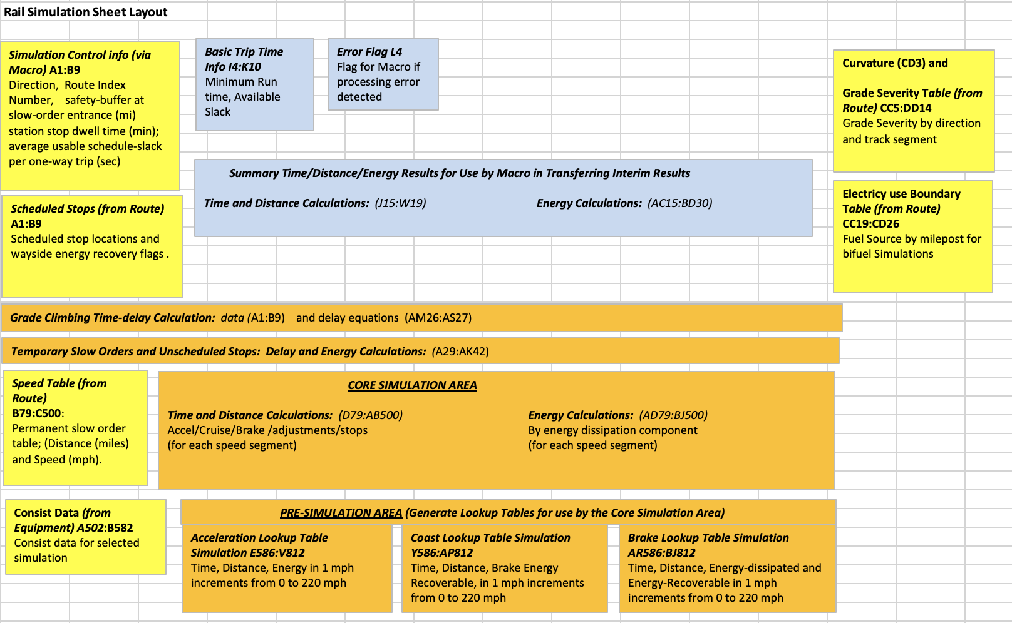
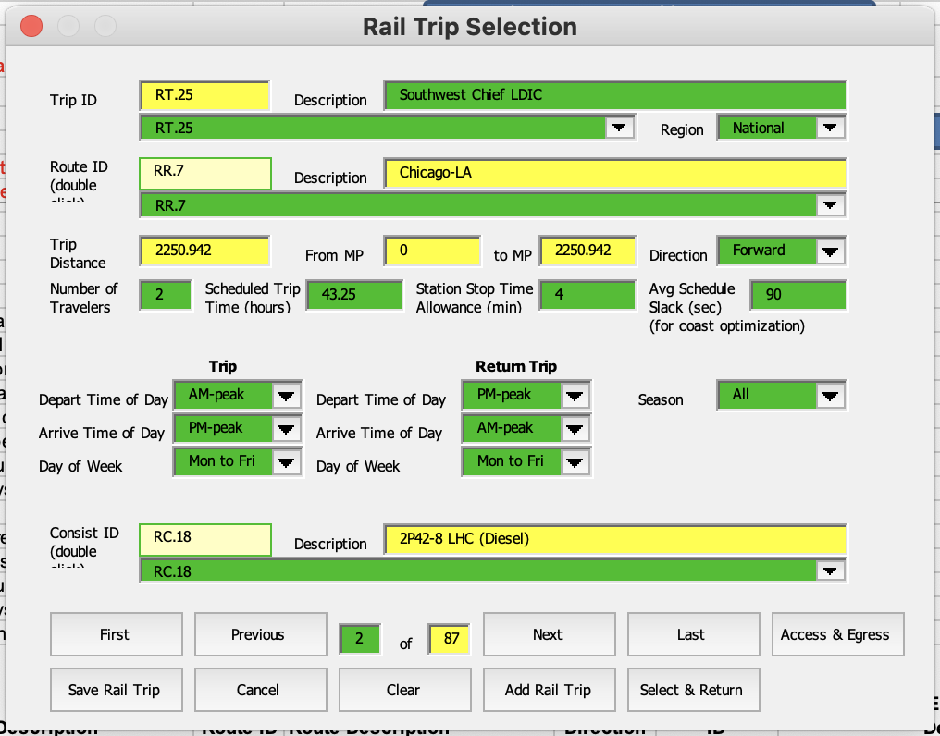
Model name | Scale | Transport mode | Fuel type | Energy | Emission | Environmental impacts |  | User-defined Input |  | Defaut value/optional user input
MMPASSIM |  | higher speed | Diesel |  |  |  |  | Type of Simulation | One-train | Equipment
 |  | high speed | Electricity |  |  |  |  |  | Rail Technology comparison | Energy-emissions
 |  | intercity |  |  |  |  |  |  | modal comparison | Modal route info | Gradient classification; scheduled stop points; Permanent speed table; Unscheduled slow-downs/stops
 |  | Commuter |  |  |  |  |  | Rail service
 |  |  |  |  |  |  |  | Regional info
 |  |  |  |  |  |  |  | Seasonal info

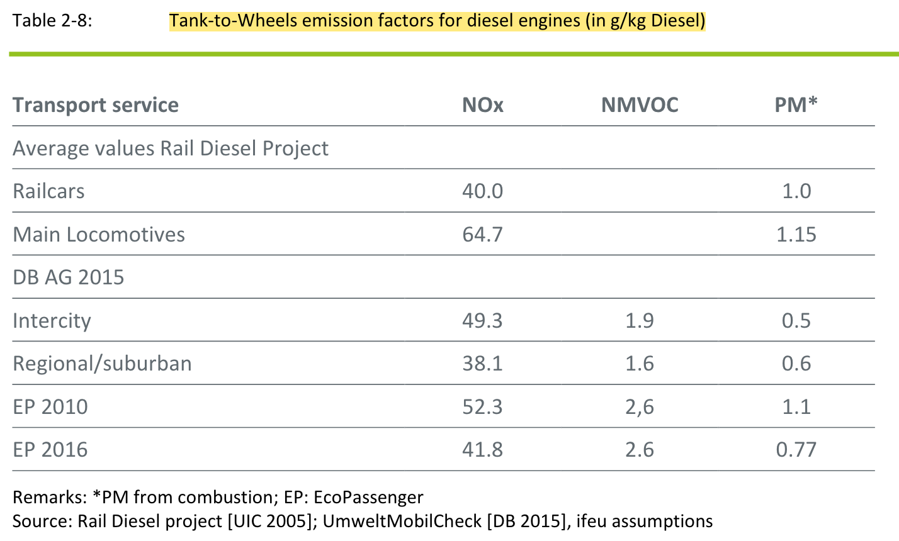
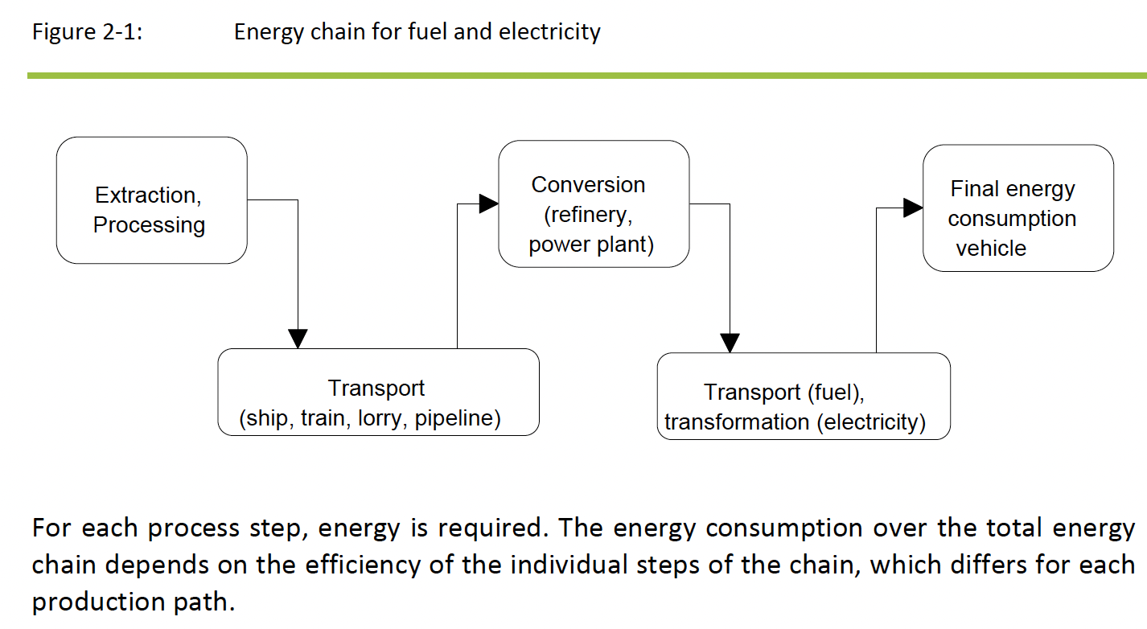
UIC EcoPassenger | Multiple European countries | High-speed | Diesel | Vehicle operation | Tank-to-Wheels emission factors (g/kg Diesel) | Energy | Energy consumption | Route | Origin | Country-specific value | Load factors
 |  | Intercity | Electricity | Fuel production | Well-to-Tank emission factors (g/kg Diesel) | Emission | CO2 |  | Destination |  | Energy consumption per train type
 |  | Regional |  |  |  |  | PM |  | Date |  | Sulfer content of diesel fuel
 |  | Suburban |  |  |  |  | NOx |  | Time |  | Share of biofuels
 |  |  |  |  |  |  | Nonmethane hydrocarbon |  | Utilization per train (average/maximum load factor) | Route | Timetable data
 |  |  |  |  |  |  |  |  |  |  | Length
 |  |  |  |  |  |  |  |  |  | Energy | Specific energy consumption per passenger-km (g/Pkm)
 |  |  |  |  |  |  |  |  |  |  | Specific energy consumption per seat-km (g/seat-km)
GREET1_2022 |  | Intercity | Diesel |  |  | Emission | VOC, CO, NOx | Fuel | Feedstock sources | Energy | Energy Intensity by Rail Type (Btu/ton or passenger mile)
 |  | Commuter | Gasoline |  |  |  | PM10, PM2.5 |  | Share of Low-Sulfur Diesel in the Blend with Conventional Diesel | Emission | Emission Ratios by Fuel Type Relative to Baseline Fuel in Locomotive Operation
 |  | Light Transit | Hydrogen |  |  |  | BC, OC |  | Share of Bio-diesel in the Blend with Diesel
 |  | Heavy Transit |  |  |  |  | CH4, N2O | Route | Urban Shares for Railroad Emissions
 |  |  |  |  |  |  |  |  | Load Factor (passenger-mile/seat-mile)
 |  |  |  |  |  |  |  | Energy | Energy Intensity by Rail Type (Btu/ton or passenger mile)
 |  |  |  |  |  |  |  |  | Energy Consumption Ratio by Fuel Type Relative to Baseline Diesel Fuel in Locomotive Operation
EcoTransIT |  |  |  |  |  |  |  | Input mode
 |  |  |  |  |  |  |  | Freight amount
 |  |  |  |  |  |  |  | Freight Weight
 |  |  |  |  |  |  |  | Route | Origin
 |  |  |  |  |  |  |  |  | Destination
MEET Methodologies for Estimating Emission from Transportation | Empirical | road (passenger, freight) |  | TTW |  |  |  | Speed |  | g = 9.81 m/s2
 |  | rail (passenger, freight) |  |  |  |  |  | Distance
 |  | sea (passenger, freight)
 |  | air (passenger, freight)

 | steady state | road (passenger, freight) |  | TTW |  |  |  | Speed | maximum | g = 9.81 m/s2
 |  | rail (passenger, freight) |  |  |  |  |  | Distance
 |  | sea (passenger, freight) |  |  |  |  |  | Number of | stops
 |  | air (passenger, freight) |  |  |  |  |  | Payload
 |  |  |  |  |  |  |  | Gradient

ARTEMIS Assessment and Reliability of Transport Emission Models and Inventory Systems |  |  |  |  |  |  |  | Train's front surface |  | Resistance | Rolling Reistance
 | Any | Rail | Diesel | TTW |  |  |  | Weight | Locomotive |  | aerodynamic resistance
 |  |  | Electricity |  |  |  |  |  | Wagon |  | gradient resistance
 |  |  |  |  |  |  |  | Number of | wagons |  | acceleration resistance
 |  |  |  |  |  |  |  |  | axles | Parameter | g = 9.81 m/s^2
 |  |  |  |  |  |  |  | Distance |  |  | p = 12 kg/m^3
 |  |  |  |  |  |  |  |  |  |  | rolling coefficients
 |  |  |  |  |  |  |  |  |  |  | aerodynamic coefficients
 |  |  |  |  |  |  |  |  |  | Speed Acceleration Matrix | the energy used in different speed acceleration combination
 |  |  |  |  |  |  |  |  |  | Trip-specific Distribution Matrix | spatial distribution
 |  |  |  |  |  |  |  |  |  |  | temporal distribution

